KKO
KAJIAN KELAYAKAN OPERASI

DAYA LAMA |  |  |  | DAYA BARU
Nama Pelanggan | : | PD YANTO 5,5-23KVA |  | Nama Pelanggan | : | PD YANTO 5,5-23KVA
Daya Lama (VA) | : | 5500 |  | Daya Baru (VA) | : | 23000
Jumlah Fasa | : | 1 | * | Jumlah Fasa | : | 3
Tegangan Sekunder Pengukuran rata-rata (Fasa-Netral) (V) | : | 220 | * | Tegangan Sekunder Pengukuran rata-rata (Fasa-Netral) (V) | : | 380
Beban Pelanggan (A) | : | 25.07 |  | Beban Pelanggan (A) | : | 34.94

SUPLAI TRAFO EKSISTING |  |  |  | SUPLAI TRAFO RENCANA
Nomor Tiang | : |  |  | Nomor Tiang | : | K2-621/291
Penyulang | : |  |  | Penyulang | : | PWI10
Daya | : |  | * | Daya | : | 160
Jumlah Fasa | : |  | * | Jumlah Fasa | : | 3
Beban TRAFO (Pengukuran Lapangan) |  | 0 |  | Beban TRAFO | : | 34.94
Beban Primer | : | 0.00 | * | Beban Primer | : | 4.62
Beban Sekunder | : | 0.00 | * | Beban Sekunder | : | 243.09
Beban (A) | : | 0.00 |  | Beban (A) | : | 0.24
Prosentase Pembebanan | : | #DIV/0! |  | Beban (A) | : | 14%
 | 14% | 100%
Prosentase Pembebanan | : | 100% |  | Beban (A) | : | 100%

DATA





DATA
Tahun | : | 2023
Discount Rate | : | 12%
Transfer price TM | : | 1,084 |  | Marginal COST maret 2022
Umur ekonomis (tahun) | : | 25.00
Selisih Susut Teknis | : | 2.25%
∑ Daya | : | 18
BP (Rp) | : | 16,957,500
RAB (Rp) | : | 12,360,975
Biaya O&M (2% invest) | : | 247,219.49

Nama Pelanggan | : | PD YANTO 5,5-23KVA | *
Golongan Pelanggan | : | R3 | *
Jenis Layanan | : | REGULER | *
Daya Lama (kVA) | : | 6 | *
Daya Baru (kVA) | : | 23.00 | *
Tarif WBP (Rp/kWh) | : | 1,444.70 | *
Tarif LWBP (Rp/kWh) | : | 1,444.70 | *
BP (Rp/VA) TR | : | 969 | *
Jam Nyala | : | 40 | *

RAB
 |  | PT. PLN ( PERSERO )
 |  | UNIT INDUK DISTRIBUSI JAWA TENGAH & DI YOGYAKARTA |  |  |  |  |  |  |  |  |  |  | RAB TOTAL
 |  | UP3 DEMAK |  |  |  |  |  |  |  |  |  | RAB TOTAL | RAB NON MDU
 | RENCANA ANGGARAN BIAYA (RAB)

 |  |  |  | Pekerjaan | : | PD YANTO 5,5-23KVA
 |  |  |  | Lokasi | : | GODONG
 |  |  |  | Pelaksana | : | PT. PLN (PERSERO) UP3 DEMAK
 |  |  |  | Anggaran | : | SAR 2023

Note !! 1. Saat Pengisian Uraian di mohon memasukan nama material sesuai dengan nama material di harga satuan
2. Mohon di cek kembali saat pengisian volume material
3. Untuk program Sarana Penunjang Fungsi tidak perlu SLO.
 | NO | URAIAN | GOL | SAT | VOL | HARGA SATUAN | BIAYA YANG DIPERLUKAN ( Rp )
 |  |  |  |  |  |  | MDU | HARDWARE | JASA | JUMLAH

 |  |  |  |  |  | 0 | 0 | 0 | 0 | 0
#REF! | I | PEMASANGAN TIANG |  |  |  | 0 | 0 | 0 | 0 | 0
 |  |  |  |  |  | 0 | 0 | 0 | 0 | 0
 |  |  |  |  |  | 0 | 0 | 0 | 0 | 0
 |  |  |  |  |  | 0 | 0 | 0 | 0 | 0
 |  |  |  |  |  | 0 | 0 | 0 | 0 | 0
 | II | PEMASANGAN KONSTRUKSI |  |  |  | 0 | 0 | 0 | 0 | 0
 | + | CJ6-T |  | Unit | 2 | 0 | 0 | 0 | 0 | 0
 | 1 | Dead End Assembly | HDW | Bh | 2 | 78,500 | 0 | 157,000 | 0 | 157,000
 | 2 | Plastic Strap for Clamping | HDW | Bh | 2 | 4,212 | 0 | 8,424 | 0 | 8,424
 | 3 | Stainless Steel Strap 20 x 0.7 mm | HDW | Mtr | 2 | 23,310 | 0 | 46,620 | 0 | 46,620
 | 4 | Stopping Buckle / Yokes | HDW | Bh | 2 | 2,300 | 0 | 4,600 | 0 | 4,600
 | 5 | Upah Pasang Konst. JTR J6-T | JASA | Unit | 2 | 35,700 | 0 | 0 | 71,400 | 71,400
 |  |  |  |  |  | 0 | 0 | 0 | 0 | 0
 |  |  |  |  |  | 0 | 0 | 0 | 0 | 0 | #REF!
 | III | PEKERJAAN PEMASANGAN KONDUKTOR |  |  |  | 0 | 0 | 0 | 0 | 0
 | 1 | NFA2X-T 3x70+1x70 | MDU-KD | Mtr | 60 | 54,500 | 3,270,000 | 0 | 0 | 3,270,000
 | 2 | Upah Pasang Penghantar TR LVTC 3x70 + 1x50mm² | JASA | Per 50 m | 1.2 | 223,500 | 0 | 0 | 268,200 | 268,200
 |  |  |  |  |  | 0 | 0 | 0 | 0 | 0
 |  |  |  |  |  | 0 | 0 | 0 | 0 | 0
 |  |  |  |  |  | 0 | 0 | 0 | 0 | 0 | #REF!
 | IV | PEMASANGAN APP |  |  |  | 0 | 0 | 0 | 0 | 0
 | + | Daya 23.000 VA |  | Unit | 1 | 0 | 0 | 0 | 0 | 0
 | 1 | KWH Elektronik; 3P; 4W; 220/380V; 5(80) A; kls 1 (Pengukuran Langsung) | MDU-KD | Bh | 1 | 1,427,400 | 1,427,400 | 0 | 0 | 1,427,400
 | 2 | Smart Box Langsung Daya 23 kVA MCCB 35 A | MDU-KD | Unit | 1 | 3,564,900 | 3,564,900 | 0 | 0 | 3,564,900
 | 3 | Modem 3G/4G | HDW | Unit | 1 | 1,113,900 | 0 | 1,113,900 | 0 | 1,113,900
 | 4 | NFA2X 4 x 16 mm² | MDU-KD | Mtr | 35 | 13,500 | 472,500 | 0 | 0 | 472,500
 | 5 | Upah Pasang SR + APP 3 Fasa | JASA | Unit | 1 | 106,400 | 0 | 0 | 106,400 | 106,400
 |  |  |  |  |  | 0 | 0 | 0 | 0 | 0
 | + | CM2-11 |  | Unit | 1 | 0 | 0 | 0 | 0 | 0
 | 1 | Ground rod ⅝" x 8" Copper Weld | HDW | Bh | 1 | 185,200 | 0 | 185,200 | 0 | 185,200
 | 2 | Bimetalic Connector 35 - 240 mm² | HDW | Bh | 1 | 47,459 | 0 | 47,459 | 0 | 47,459
 | 3 | Ground wire Cu 16 mm² | HDW | Mtr | 1.5 | 30,000 | 0 | 45,000 | 0 | 45,000
 | 4 | Ground rod & Washer | HDW | Bh | 2 | 9,500 | 0 | 19,000 | 0 | 19,000
 | 5 | Upah Pasang Acc.Jar M2-11 | JASA | Unit | 1 | 56,400 | 0 | 0 | 56,400 | 56,400
 |  |  |  |  |  | 0 | 0 | 0 | 0 | 0
 |  | SLO |  |  |  | 0 | 0 | 0 | 0 | 0 | #REF!
 | 1 | Sertifikasi Laik Operasi | JASA | Lot | 1 | 2.5% | 218,370 | 40,680 | 12,560 | 271,610
 |  |  |  |  |  |  | 0 | 0 | 0 | 0

 |  | Jumlah MDU - Hardware - Jasa |  |  |  | : | 8,953,170 | 1,667,883 | 514,960 | 11,136,013
 |  | PPN 11% |  |  |  | : | 984,849 | 183,467 | 56,646 | 1,224,961
 |  | Jumlah Total |  |  |  | : | 9,938,019 | 1,851,350 | 571,606 | 12,360,975 | 201,265,205
 | Terbilang : Dua Belas Juta Tiga Ratus Enam Puluh Ribu Sembilan Ratus Tujuh Puluh Lima Rupiah

 | Harga yang dipakai adalah RAB HSS 2023

 |  |  |  |  |  |  |  | Demak, 30Agustus 2023
 |  |  |  |  |  |  |  | ASMAN PERENCANAAN

 |  |  |  |  |  |  |  | VALENTHINA EKA SABTI WONOHUSODO

GAMBAR
 | PT. PLN (PERSERO) UP3 DEMAK

-7.022134, 110.769675 | Keterangan Gambar :
 | No | Nama Material |  |  | Baru |  | Eksisting
 | 1 | Tiang Beton
 | 2 | Tiang Besi
 | 3 | JTM 3 Fasa
1 C12-350E
1 CC1-A
1 G105 50KVA
1 CJ6-T
 | 4 | JTM 1 Fasa
 | 5 | JTR 1 Fasa Only / UB
 | 6 | JTR 3 Fasa Only / UB
 | 7 | Trafo 1 Fasa
 | 8 | Trafo 3 Fasa
s
s
 | 9 | Fuse Cut Out
 | 10 | ABSW
3 Ph 160 kVA
 | 11 | Vang Net
1 C12-350E
1 CC1-A
1 G313 160KVA
1 CJ6-T
 | 12 | Schoor
APP 3P 23KVA
SR 4X16MM = 35 M
1 CM2-11
 | 13
s
s
 | Bongkar Pasang Konstruksi :
 | Pasang |  |  |  | Bongkar
 |  |  |  |  | SR APP 5500 VA |  | UNIT | 1
 | CM2-11 |  | UNIT | 1
 | SR 4X16 MM |  | MTR | 35
 | CJ6-T |  | UNIT | 2
 | SR APP 23 KVA |  | UNIT | 1

 | Keterangan Tambahan : https://goo.gl/maps/BBmyPAdWKc4wmTC86

 | Golongan
 | No. Gambar |  | 1 |  |  | Lembar |  | dr
 | Gambar dari |  |  |  |  | Skala
 | Perihal:
 | PD YANTO 5,5-23KVA

 | Digambar |  | Spv. Rensis
 | Diperiksa |  | Man. Perencanaan
 | Diketahui |  | Man. Perencanaan
 | Disetujui |  | Manager

1 CG 313-A
1 C12-350E
1 CC7
3 CM2-11M
1 CM2-12
1 CM2-12A
1 F1-2
1 CE1-2

RUMAH SAKIT TRIMEDIKA
35
35
JL.PURWODADI-SUKOLILO-PATI

K2-541 B
1 C12-350E
1 CC1-A
1 CM2-12
1 CJ6-T
K2-541 A
1 C12-350E
1 CC8-AN
1 CM2-12
1 F1-2
1 CE1-2
K2-541
1 C12-350E
1 CC1
1 CC7
2 CM5-5
3 Ph 160 kVA

Peta lokasi
PETA LOKASI

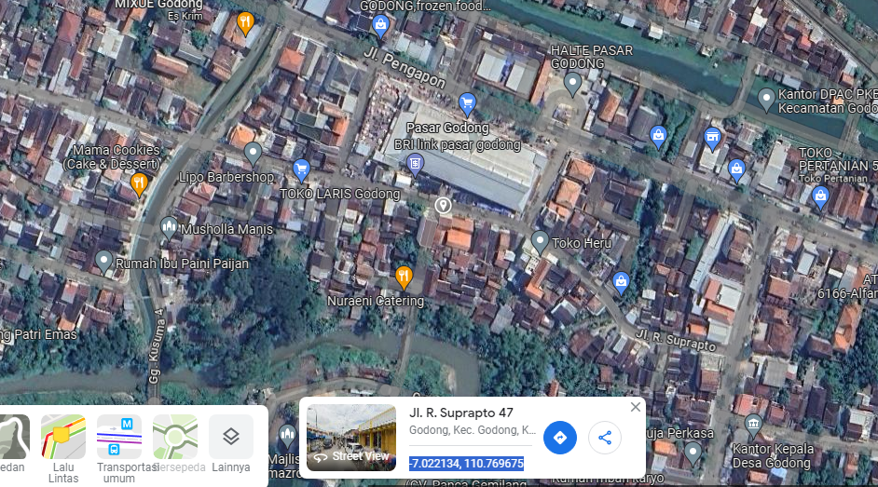

RS TRI MEDIKA KETAPANG

SLD
SINGLE LINE DIAGRAM LOKASI

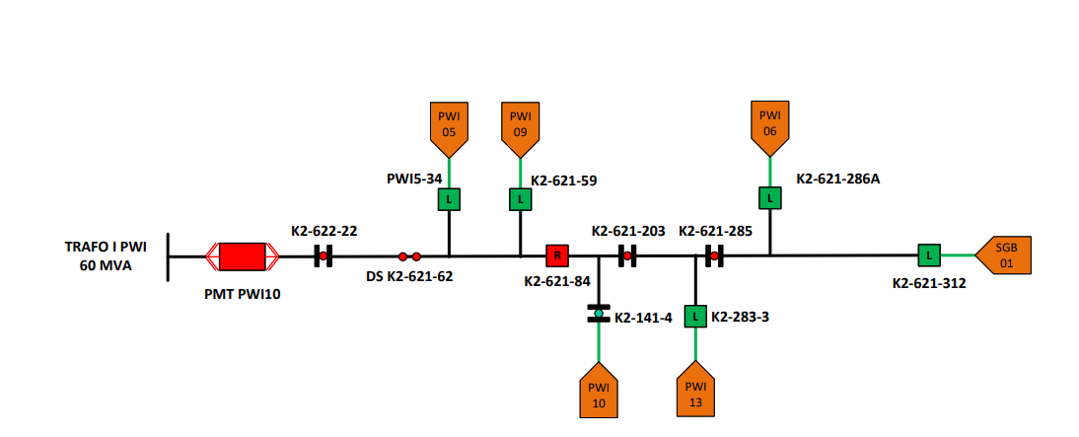

lokasi

